1. Title Page
[Instacart Grocery Basket Analysis]

Project Name: Instacart Grocery Basket Analysis
Date: 8/4/2023
Analyst Name: Brittney Gross

Contents:
Population Flow
Consistency checks
Wrangling steps
Column derivations
Visualizations
Recommendations

Citation: “The Instacart Online Grocery Shopping Dataset 2017”, Accessed from www.instacart.com/datasets/grocery-shopping-2017 via Kaggle on 8/3/2023.

Note: Instacart is a real company that’s made their data available online. However, the contents of this project brief have been fabricated for the purpose of this Achievement.

2. Population Flow
Title page

Population flow

Exclusion flag
Condition: max_order < = 5
Obervations to be removed: 2,233,435
Final total count of order_products_all: 30,171,424

Orders_products_combined
Orders_products_merged
Orders_products_all

Total: 32,404,859
Total: 32,434,489
Total: 32,404,859

1.) The grey boxes in the first row of the population flow represent the original data sets as they were when you downloaded them. In the Total fields you need to add the count of the rows when you imported the data set into Jupyter.
2.) The second row of boxes (coloured) represents the data sets after you manipulated them, e.g., removed missing values and duplicates. In the Total fields you need to add the count of the rows after conducting these operations. This offers a visual oveview of how the data flows throughout the data consistency checks.
3.) The third row, where also the arrows are coloured, represents the merges you performed between the datasets. In the Total fields you need to add the count of the rows in the merged datasets, so that you end up with the final dataset (in the red box). Keep in mind the final dataset should be without exclusions (based on the exclusion flag).

3. Consistency checks
 |  |  |  | Title page
Consistency checks

Dataset | Missing values | Missing values treatment | Duplicates
orders | 206,209 missing values | Nothing - As there are a lot of first time customers, and only 6% of the data is missing, there is no need to do anything | No duplicates
products | 16 missing values in product_name | Created a separate data frame without missing values | 5 duplicate values found and removed
orders_products_prior | No missing values | N/a | No duplicates
customers | N/a (Several first names were missing, but I removed the column anyways) | N/a | N/a
ords_prods_all | 2076096 missing values in days_since_prior_order | Nothing - There are new customers who do not have a prior order | N/a
 | 5127 missing values in prices | Nothing - These values are less than 1% of the total data so no need to do anything

4. Wrangling steps
 |  |  |  | Title page
Wrangling steps

Columns dropped | Columns renamed | Columns' type changed | Comment/Reason
eval_set in Orders |  |  | Not necessary or relevant to analysis
 | order_dow renamed to orders_day_of_week in orders |  | More intuitive and self-explanatory
 |  | order_id changed to a string in orders | The order ID is not a numeric value, but related to specific orders and users. This does not need descriptive stats on it.
 |  | user_id changed to string in orders | The user ID is not a numeric value, but related to specific orders and users. This does not need descriptive stats on it.
First Name and Surnam in customers |  |  | To protect customer privacy and we do not need specific names in order to do analysis
 | Gender to gender in customers |  | The rest of the column names are in lowercase so changed this to lowercase to match
 | STATE to state in customers |  | The rest of the column names are in lowercase so changed this to lowercase to match
 | Age to age in customers |  | The rest of the column names are in lowercase so changed this to lowercase to match
 | n_dependants to number_of_dependants in customers |  | More intuitive and self-explanatory
 | fam_status to marital_status in customers |  | More intuitive and self-explanatory
 |  | user_id changed to string in customers | The user ID is not a numeric value, but related to specific orders and users. This does not need descriptive stats on it.
 |  | income changed to int64 in customers | This column contained mixed type data, but it is primarily integers so was changed to this.
 |  | user_id changed to string in customers | User_id was an int64, but in order to be merged on the df_ords_prods_merge dataframe, I had to change user_id to a string.

5. Column derivations
 |  |  |  | Title page

Column derivations and aggregations

In this tab you should add tables below that the frequencies of flags/label variables that you produced after deriving them. NB: don't do this for continuous variables, only for flags.
Dataset | New column | Column/s it was derived from | Conditions
ords_prods_merge (task 4.7) | price_range | prices | <= 5 = low range product > 5 & <=15 = mid-range product >15 = high range product
ords_prods_merge (task 4.7) | price_range_loc | prices | <= 5 = low range product > 5 & <=15 = mid-range product >15 = high range product
ords_prods_merge (task 4.7) | busiest_day | orders_day_of_week | if order_dow = 0, then is Busiest Day if order_dow = 4, then Least Busy All else = Regular Busy
ords_prods_merge (task 4.7) | busiest_days | orders_day_of_week | if order_dow = 0 or 1, then Busiest Day if oder_dow = 3 or 4, then Least Busy if order_dow = all else, then Regular Busy
ords_prods_merge (task 4.7) | busiest_period_of_day | order_hour_of_day | If order_hour_of_day was 10, 11, 14, 15, 13, 12, 16, or 9, then most orders. If order_hour_of_day was 23, 6, 0, 1, 5, 2, 4, or 3 then fewest orders. If any other number then average orders.
orders_products_merged (task 4.8) | max_order | user_id and order_number | Each order was counted per each user ID. The max amount of orders placed were reported in the max order column.
orders_products_merged (task 4.8) | loyalty_flag | max_order | if 'max_order' > 40, 'Loyal customer' if 10 < 'max_order'' <= 40, 'Regular customer' if 'max_order'' <= 10, 'New customer'
df_ords_prods_merge (task 4.8) | spending_flag | mean_price | *If mean price was less than 10 the user was determined to be a low spender. *If the mean price was 10 or greater, the user was determined to be a high spender.
df_ords_prods_merge (task 4.8) | mean_price | user_id and prices | Each user ID was grouped together and then the mean of prices were determined
df_ords_prods_merge (task 4.8) | median_days_since_order | user_id and days since prior order | Each user ID was grouped together and then the median of days since prior order were determined
df_ords_prods_merge (task 4.8) | frequency_flag | median_days_since_order | *If median of median_days_since_order is higher then 20, then the customer is a non-frequent customer. *If median of median_days_since_order is higher than 10 and lower than or equal to 20, then the customer is a regular customer. *If the median of median_days_since_order is lower than or equal to 10, then the customer is a frequent customer.
df_ords_prods_all (task 4.10) | region | state | Northeast = 'Maine', 'New Hampshire', 'Vermont', 'Massachusetts', 'Rhode Island', 'Connecticut', 'New York', 'Pennsylvania', 'New Jersey' then label northeast Midwest = 'Wisconsin', 'Michigan', 'Illinois', 'Indiana', 'Ohio', 'North Dakota', 'South Dakota', 'Nebraska', 'Kansas', 'Minnesota', 'Iowa', 'Missouri' then label Midwest South = 'Delaware', 'Maryland', 'District of Columbia', 'Virginia', 'West Virginia', 'North Carolina', 'South Carolina', 'Georgia', 'Florida', 'Kentucky', 'Tennessee', 'Mississippi', 'Alabama', 'Oklahoma', 'Texas', 'Arkansas', 'Louisiana' then label South West = 'Idaho', 'Montana', 'Wyoming', 'Nevada', 'Utah', 'Colorado', 'Arizona', 'New Mexico', 'Alaska', 'Washington', 'Oregon', 'California', 'Hawaii'
df_ords_prods_all (task 4.10) | customer_activity | max_order | *If the max order was less than or equal to 5, they were labeled as a low activity customer. *If the max order was greater than 5, they were labeled as a high activity customer.
df_ords_prods_all_2 (task 4.10) | age_range | age | *If a customers age was less than or equal to 33, they were labeled as a young adult (18-33). *If a customers age was greater than or equal to 34 and less than or equal to 64, they were labeled as a middle age adult (34-65). *If a customers age was greater than or equal to 65, they were labeled as an older adult (66+).
df_ords_prods_all_2 (task 4.10) | income_range | income | *If a customers income was less than or equal to $67,424, they were labeled as low income. *If a customers income was greater than or equal to $67,425 and less than or equal to $128,150, they were labeled as middle income. *If a customers income was greater than or equal to $128,151, they were labeled as high income.
df_ords_prods_all_2 (task 4.10) | dependants | number_of_dependants | *If a customer had 0 dependants, they were labeled as having no dependants. *If a customer had greater than or equal to 1 dependant, they were labeled as having dependants.
df_ords_prods_all_3 (task 4.10) | department | department_id | This was merged from the departments data set.
df_ords_prods_all_3 (task 4.10) | customer_profile | fam_status and number of dependants | *If a customer had 0 dependants and their family status was single or divorced/widowed they were labeled as single no dependants. *If a customer had one or more dependants and their family status was married they were labeled as married with children. *If a customer had one or more dependants and their family status was living with parents and siblings, they were labeled as parents and siblings with children.

6. Visualizations
Title page

Visualizations

In this tab you should include all the visualizations from Exercises 4.9 and 4.10, alongside the questions from the project brief that they answer. Include any commentary on the relationship between different variables.


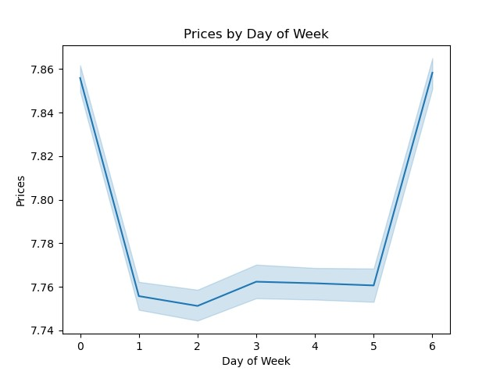

Question 1: The bar chart shows the amount of orders by day of week. 0 and 1, which are Saturday and Sunday, have the most orders. 3 and 4, which are Tuesday and Wednesday, have the least orders.
The line chart interestingly shows that the orders placed on Friday and Saturday are the most expensive, thus bringing in the most money.



Question 1: This histogram shows the amount of orders by hour of day. 9 am - 5 pm have the most orders. Midnight to 5 am have the least amount of orders.

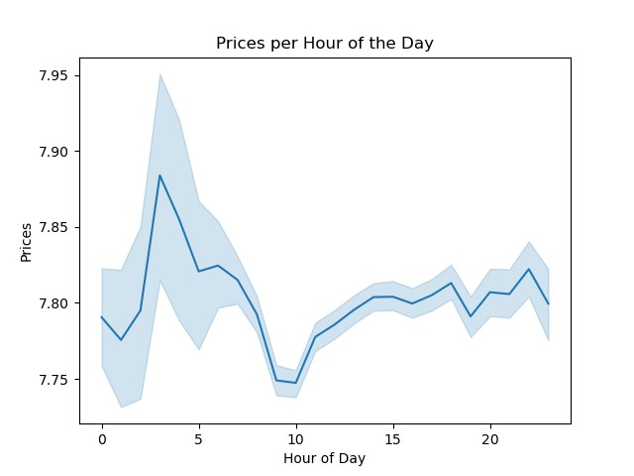

Question 2: This line chart shows the price of orders by hour of day. The hours when people spend the most money are between 3 am - 5 am. The hours when people spend the least amount of money are between 9-10 am.

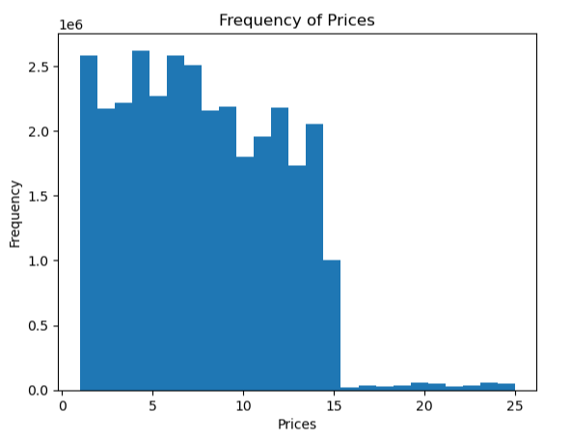

Question 3: This histogram shows that there are few items with prices over $15.

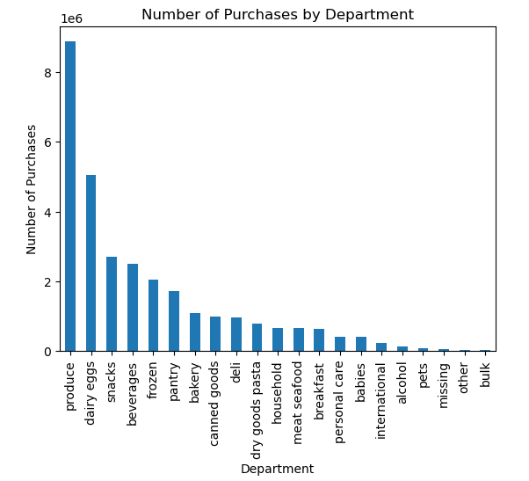

Question 4: This bar chart shows the items that are purchased the most are produce, dairy/eggs, and snacks.

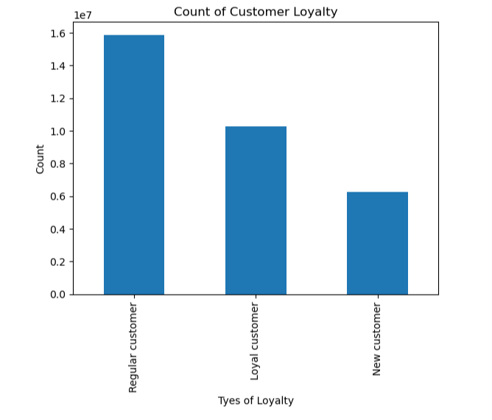

Question 5: This bar chart shows that most of Instacart's customers are regular customers. This requires they have made more than 10 but equal to or less than 40 orders.

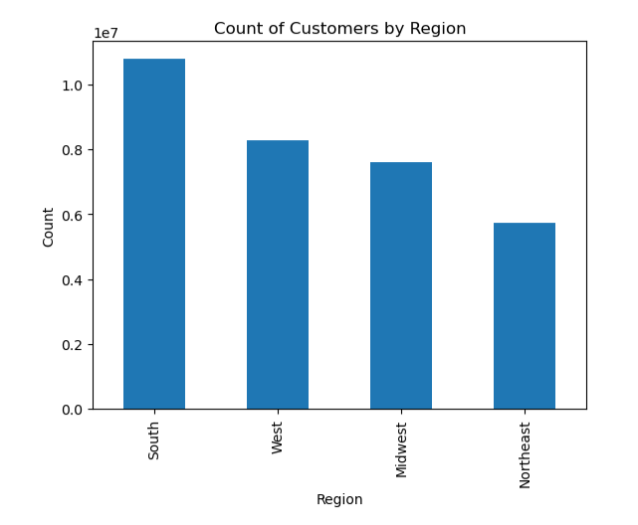
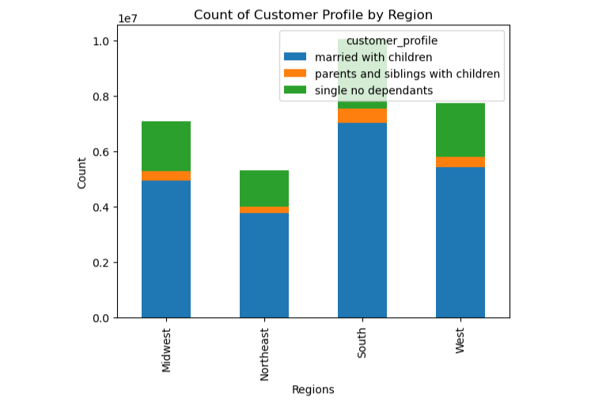

Question 7: This bar chart on the left shows that most of Instacart's customers are from the South and the least come from the Northeast. The bar chart on the right shows that our largest customer base are those are are married with children in every region.

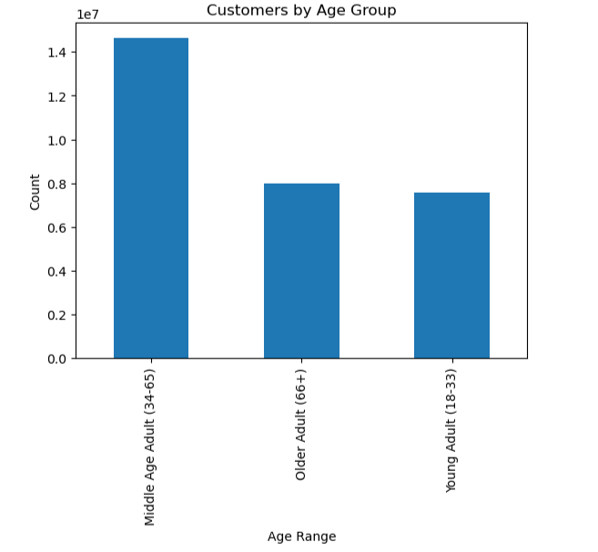
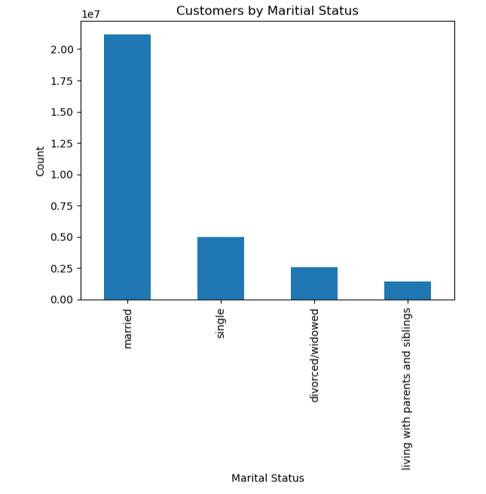

Question 8: These bar charts show that most of Instacart's customers are middle age and that young adults are the least. Also, most of the customers are married.

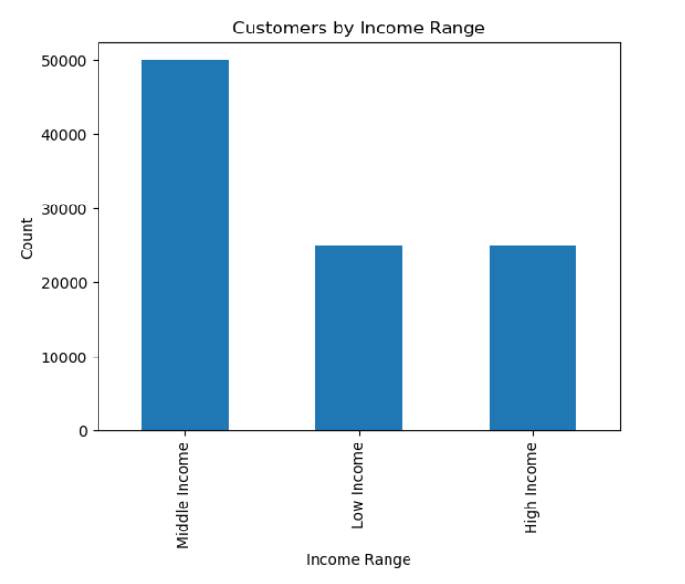

Question 9: In terms of age, the majority of Instacart's customers are middle age. In terms of income, most of the customers are middle income. For types of goods purchased, the most common are produce, dairy/eggs, and snacks. As shown above the majority of the customers are married.

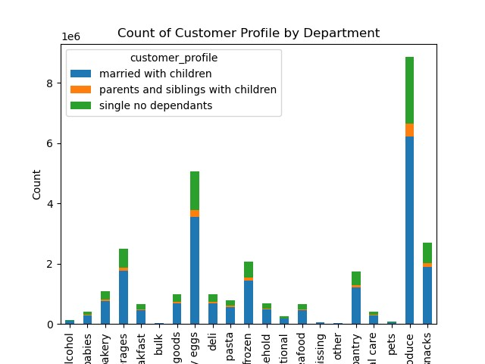
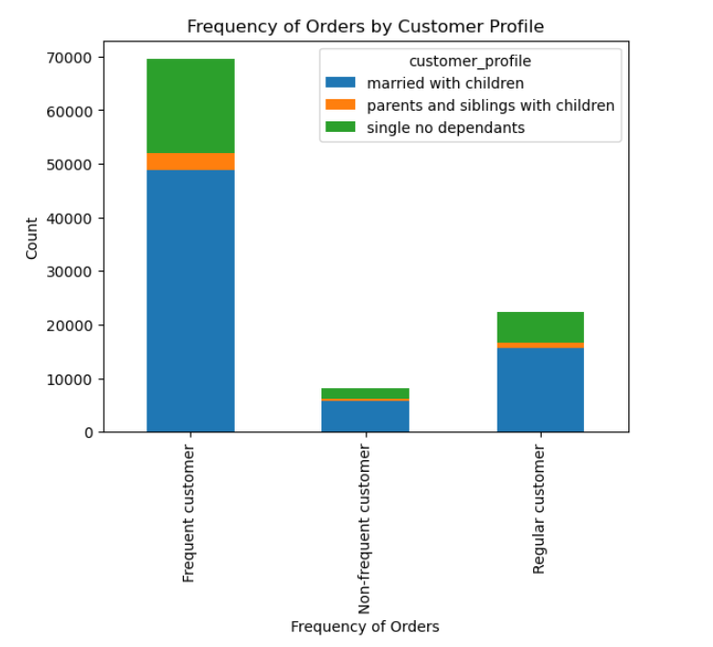
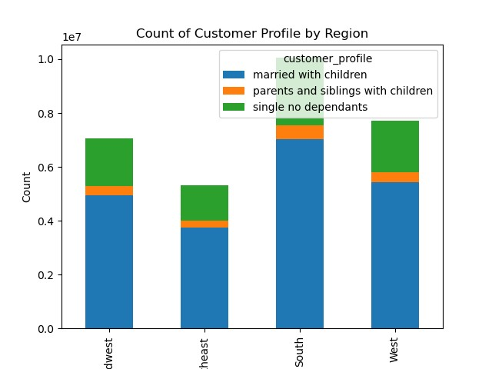
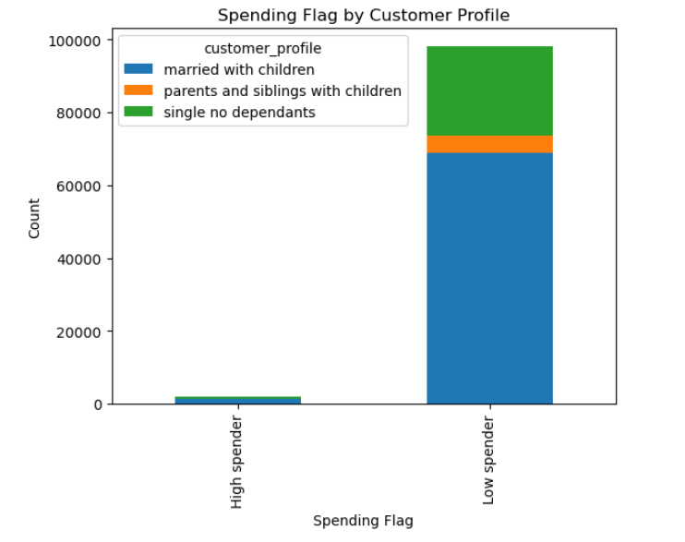

Question 10: Customer who are married with children make up the largest percentage of customers by region. Those who are married with children also make up the greatest percentage of the top three items purchased: produce, dairy/eggs, and snacks. Most of the frequent customers are married with children. Lastly, a majority of people are low spenders. Although those married with children make up the largest amount of low spenders. Interestingly, in the high spender category, there are few, if any, parents and siblings with children.

7. Recommendations
 |  | Title page

Recommendations

In this tab you should include any recommendations you would made to Instacart in terms of their marketing strategy based on the questions posed in the brief. Every key question has been covered in the Tasks of the Exercises - here you need to add an item - a visualization or table/crosstable that is showing the answer in the data, accompanied by a comment from you. Please, list the questions below and add the answer underneath.

Question | Answer
Key Question 1 - The sales team needs to know what the busiest days of the week and hours of the day are (i.e., the days and times with the most orders) in order to schedule ads at times when there are fewer orders. | The busiest hours of the day are 9 am to 5 pm and the least busy hours are 12 am to 5 am. The busiest days of the week are Saturday and Sunday. The least busy days are Tuesday and Wednesday. Interestingly the orders placed on Friday and Saturday are the most expensive.
Key Question 2 - They also want to know whether there are particular times of the day when people spend the most money, as this might inform the type of products they advertise at these times. | The hours when people spend the most money are between 3 am - 5 am. The hours when people spend the least amount of money are between 9-10 am. It might be helpful to advertise the produce, dairy/eggs, and snacks during the low 9-10 am time.
Key Question 3 - Instacart has a lot of products with different price tags. Marketing and sales want to use simpler price range groupings to help direct their efforts. | There are very few items priced over $15. I would recommend ignoring those items. Instead, focus on price range groupings of items $15 and under.
Key Question 4 - Are there certain types of products that are more popular than others? The marketing and sales teams want to know which departments have the highest frequency of product orders. | The items that are purchased the most are produce, dairy/eggs, beverages, and snacks. The items that are purchased the least are pets, other, and bulk. There could be a sale ran on pets, other and bulk to increase their sales. Likewise, marketing could be done regarding the top three categories.
Key Question 5 - What’s the distribution among users in regards to their brand loyalty (i.e., how often do they return to Instacart)? | Most of Instacart's customers are regular customers. This requires they have made more than 10 but equal to or less than 40 orders. Having a rewards system where a customer receives a certain percentage off after so many orders, may increase revenue and turn new customers into regular customers.
Key Question 6 - Are there differences in ordering habits based on a customer’s loyalty status? | If a customer is loyal (having more than 40 orders) , they are a frequent customer (the median of days since prior order is lower than or equal to 10 days). There are no loyal customers who are also non-frequent customers. It may be helpful to market to or offer a rewards system to the loyal customers.
Frequent Customer
Non-Frequent Customer
Regular Customer
Key Question 7 - Are there differences in ordering habits based on a customer’s region? | Most of Instacart's customers are from the South and the least come from the Northeast. Our largest customer base are those are are married with children in every region. It would be wise to spend more money marketing in the South and West as this is where a majority of customers are.
Key Question 8 - Is there a connection between age and family status in terms of ordering habits? | Most of Instacart's customers are middle age and the young adults are the least. In terms of family status, most of the customers are married. The crosstables show that no matter the type of ordering habits, most of our customers are middle age married people.
Key Question 9 - What different classifications does the demographic information suggest? Age? Income? Certain types of goods? Family status? | In terms of age, the majority of Instacart's customers are middle age. In terms of income, most of the customers are middle income. For types of goods purchased, the most common are produce, dairy/eggs, and snacks. As shown above the majority of the customers are married. It would be helpful to market produce, dairy/eggs, and snacks to areas with a middle income.
Key Question 10 - What differences can you find in ordering habits of different customer profiles? Consider the price of orders, the frequency of orders, the products customers are ordering, and anything else you can think of. | Customer who are married with children make up the largest percentage of customers by region. Those who are married with children also make up the greatest percentage of the top three items purchased: produce, dairy/eggs, and snacks. Most of the frequent customers are married with children. Lastly, a majority of people are low spenders. Although those married with children make up the largest amount of low spenders. Interestingly, in the high spender category, there are few, if any, parents and siblings with children. It would be best to market to those who are married with children and frequent customers.

